Print Page 1
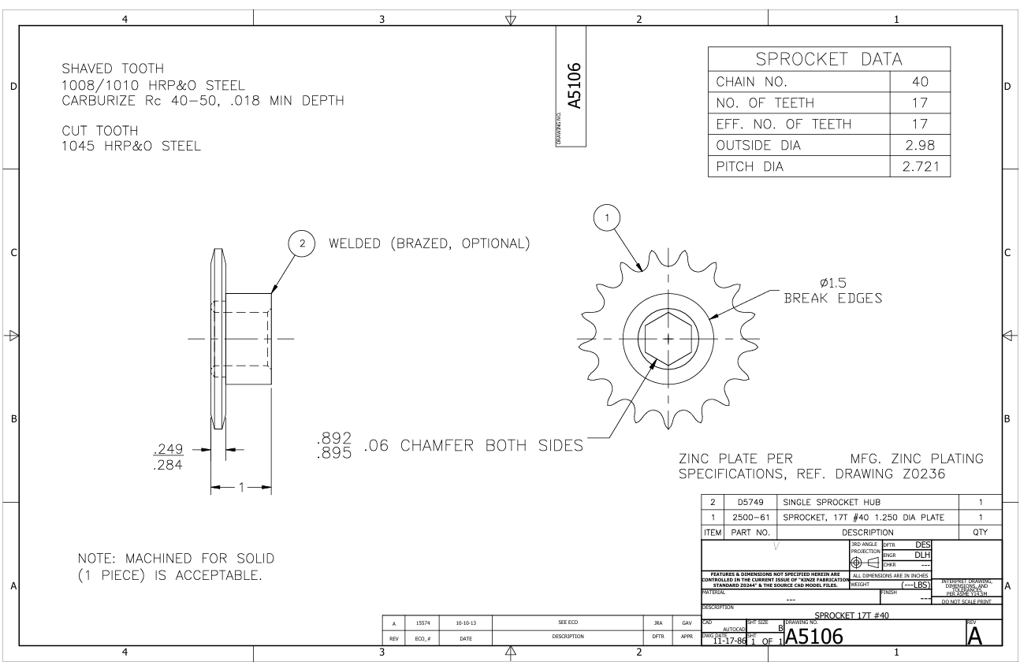

6

5

3

4

2
7

1

